AXISGETF
AXISGETF | Axis Gold ETF

 | Monthly Portfolio Statement as on September 30, 2025
 | Name of the Instrument | ISIN | Industry / Rating | Quantity | Market/Fair Value (Rs. in Lakhs) | % to Net Assets | YTM~ | YTC^ | NSE
 | Gold
GOLD100 | GOLD .995 1KG BAR |  |  | 2,204 | 252,933.24 | 98.42%
 | Sub Total |  |  |  | 252,933.24 | 98.42%
 | Total |  |  |  | 252,933.24 | 98.42%
 | Reverse Repo / TREPS
TRP_011025 | Clearing Corporation of India Ltd |  |  |  | 358.40 | 0.14% | 5.47%
 | Sub Total |  |  |  | 358.40 | 0.14%
 | Total |  |  |  | 358.40 | 0.14%
 | Net Receivables / (Payables) |  |  |  | 3,714.21 | 1.44%
 | GRAND TOTAL |  |  |  | 257,005.85 | 100.00%

 | ~ YTM as on September 30, 2025
 | ^ YTC represents Yield to Call provided by valuation agencies as on September 30, 2025. It is disclosed for Perpetual Bond issued by Banks (i.e. AT-1 Bond / Tier 1 Bond / Tier 2 Bond), as per AMFI Best Practices Guidelines Circular no. 135/BP/91/2020-21 read with SEBI circular No. SEBI/HO/IMD/DF4/CIR/P/2021/034 on Valuation of AT-1 Bonds and Tier 2 Bonds.
 | As per SEBI Circular no. SEBI/HO/IMD/PoD1/CIR/P/2024/106 dated August 05, 2024, valuation of AT-1 Bonds are done on Yield to Call basis w.e.f. August 07, 2024. YTC of AT-1 Bonds are now same as it’s YTM and hence it is not disclosed separately under YTC.

 | Aggregate Investments by other schemes (At NAV) as on September 30, 2025 RS 171339.08 Lakh's

 |  | Benchmark Name - DOMESTIC PRICE OF GOLD
 | Scheme Risk-O-Meter | Benchmark Risk-O-Meter
 | 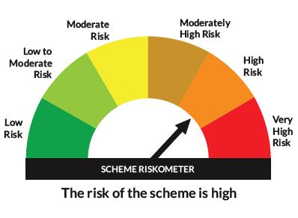 | 

